Q1
ACTIVITY PR-004 — QUESTION 1

ETC |  | 20 minutes
ALO |  | The student will be able to calculate observed yield and analyze its relationship with the specified model yield coefficient using steady-state simulation results and SRT comparisons.
ABET PO |  | PO-6
EUR-ACE PO |  | PO-2
MÜDEK PO |  | PÇ-5.4
Bloom level |  | Analyze

Question |  | Keep the specific decay rate constant at kd=0.06 d-1 and vary only the model yield coefficient, Y. For each case, calculate the observed yield and sludge retention time (SRT). Compare the results and explain how the model yield coefficient is related to the observed yield. Use the calculated SRT values to assess whether changes in solids retention could account for the observed differences.

Topology and Procera Setup
Model template |  | Introductory S-X Model.pct
Influent | Flow | 100 m3/h
 | Pattern | Default Multiplicative
 | Characterizat'n | SO = 0 mg/L, SS = 250 mg/L; XH = 0 mg/L
Reactor | Area | 120 m2
 | Depth | 5 m
 | Aeration | Constant DO @ 2 mg/L
 | Initials | SO = 2 mg/L, SS = 5 mg/L; XH = 1000 mg/L
Clarifier | Area | 200 m2
 | Depth | 3 m
 | Inlet layer | 5
RAS flow |  | 100 m3/h
WAS flow |  | 1.5 m3/h
Parameter values |  | Y = 0.4, 0.5, 0.6 mg VSS/mg ucBOD All other parameters at their defaults.
Simulat'n settings |  | Steady-state simulation
Topology figure |  | 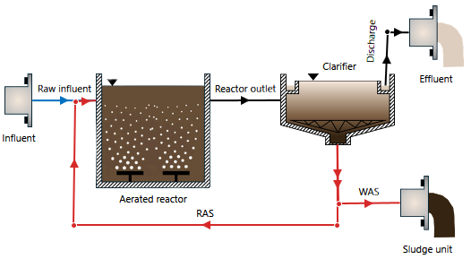 Insert Procera topology screenshot here

Instructions |  | 1. Use the prescribed Procera project, topology, and operating conditions. Fix kd at 0.06 d-1. 2. Perform steady-state simulations for Y = 0.4, 0.5, 0.6 mg VSS/mg ucBOD. Change only Y. 3. For each case, record steady-state effluent substrate concentration (Se), and biomass concentration in reactor (XH,R), Effluent (XH,E), and Sludge Unit (XH,W). 4. Calculate substrate removal rate (PS): PS = Qin(S0-Se) where Qin is influent flowrate. 5. Calculate observed biomass output rate (PB) as the sum of biomass leaving the system through Effluent and Sludge Unit. Use the following formula: PB = QW*XH,W + (Qin-QW)XH,E where QW is the WAS flowrate. 6. Calculate sludge retention time (SRT): SRT = VRXH,R/(QWXH,W) 7. Calculate the observed yield (Yobs) as the ratio of observed biomass output rate and the substrate removal rate: Yobs = PB / PS 8. Complete the results table and plot Yobs against Y. 9. Compare calculated SRT values before interpreting the observed-yield trend. 10. Answer the question using your numerical results and calculations.

Requir'd submiss'n |  | 1. Complete written answer to Q1 including your calculations, tables, and graphs. 2. Procera project file (PCM), named Q1.pcm

